Bug Report
Defect Report |  | Defect Report |  | Defect Report |  | Defect Report

Release | V.1.0 | Release | V.1.0 | Release | V.1.0 | Release | V.1.0
Title | User is not able to signup with a first name with 3 charachters | Title | The location of the loader in the login page is wrong | Title | the pade shows a name less than 2 characters. | Title | "No available todos" message will appear when adding 5 tasks.
Description | It happens in all the browsers and all the screen views, the first name that we used during the testing is moh | Description | After logging and while waiting the response from the server, the loader appeared in a wrong location | Description | when the user enter a name less than 3 characters the name should display as "user" however the system displayed a less than 2 characters name. | Description | In the todo page when user add 5 todos, the message "No available todos" will appear
Steps | 1- Go to sign up page. 2- Enter a first name with "moh". 3- Fill a correct last name. 4- Fill a correct email formate, and the email should not be registered in the database. 5- Fill a correct password. 6- Fill a correct confirm password. 7- Click on signup button | Steps | 1- Go to login page 2- Fill the email 3- Fill the password 4- Click on login 5- Check the loader | Steps | 1- Go to Todos Page 2- press F12. 3- click on the "Application" tap. 4- choose "Local storage" from the storage section. 5- Edit the name in the "Access Token" To "mo". 6- Reload the page. | Steps | 1- Go to Todos Page 2- Add 5 tasks
Expected Results | the user should be able to signup correctly | Expected Results | The loader should appear correctly in the correct location in the middle of the page. | Expected Results | the system should display the name as "user" | Expected Results | "No available todos" message should not be visible.
Actual Result | this error message appeared "First Name is required, and it should be more than 3 characters" | Actual Result | The loader appeared in a wrong location | Actual Result | the system displayed a less than 3 characters name "mo" | Actual Result | "No available todos" message is visible
Environment | Chrome Version 145.0.7632.117 (Official Build) (64-bit) | Environment | Chrome Version 145.0.7632.117 (Official Build) (64-bit) | Environment | Chrome Version 145.0.7632.117 (Official Build) (64-bit) | Environment | Chrome Version 145.0.7632.117 (Official Build) (64-bit)
Screenshot / Video | 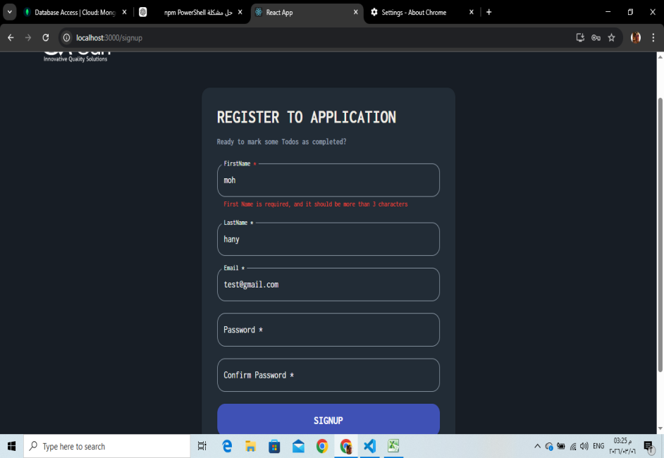 | Screenshot / Video | 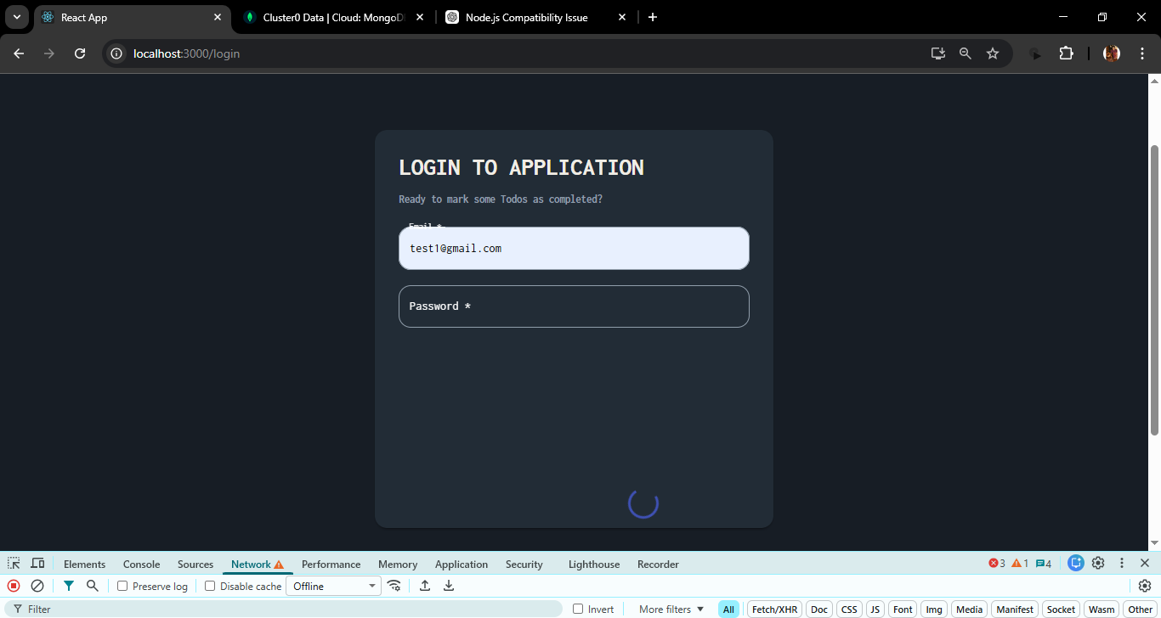 | Screenshot / Video | 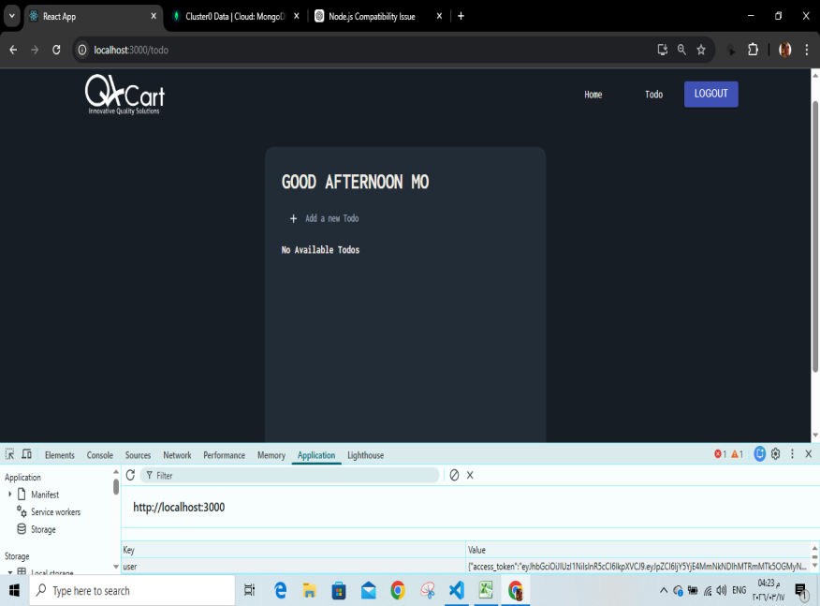 | Screenshot / Video | 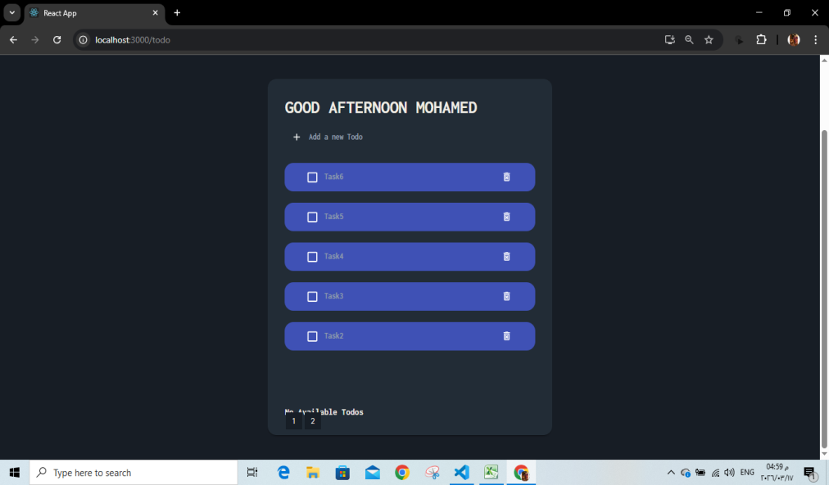
severity | Major | severity | Minor | severity | Minor | severity | Minor
Priority | High | Priority | low | Priority | low | Priority | High
Status | open | Status | open | Status | Open | Status | Open
© Copy rights for QAcart 2022 |  | © Copy rights for QAcart 2022 |  | © Copy rights for QAcart 2022 |  | © Copy rights for QAcart 2022

